Procedure
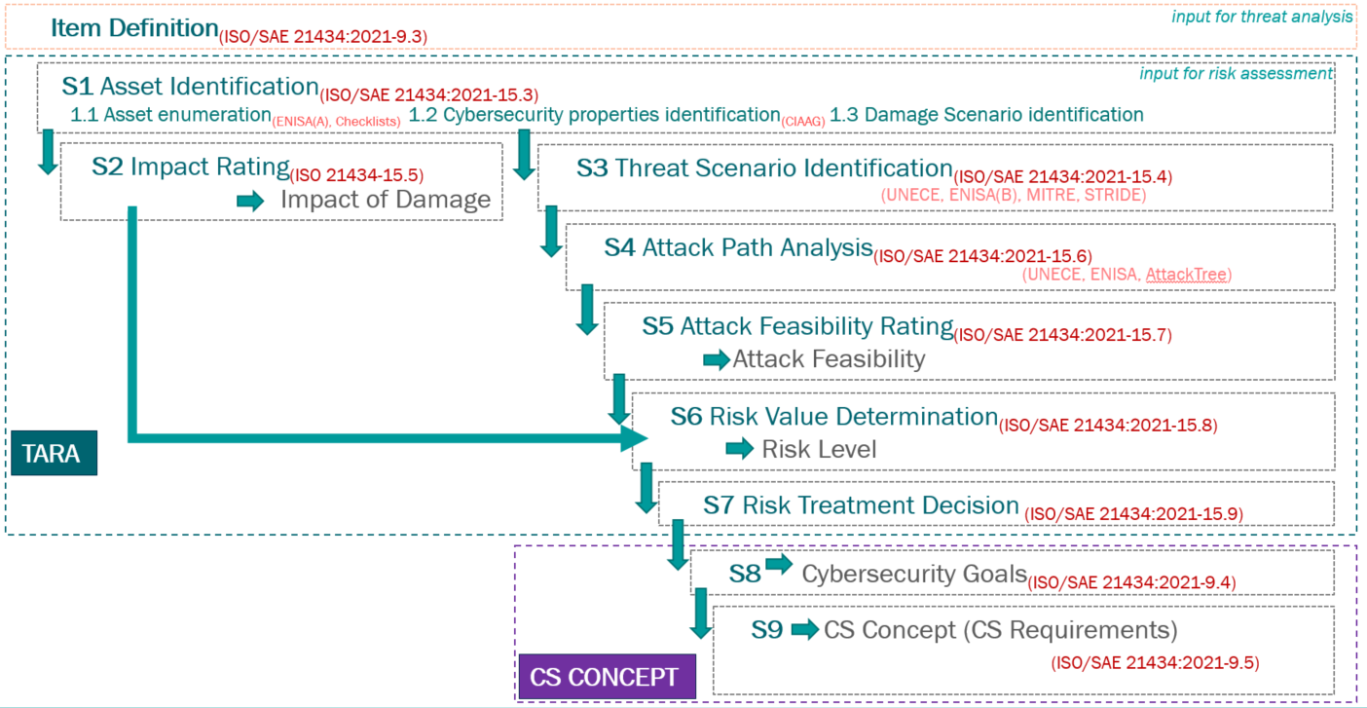
Template x.y
Template x.y
 | TARA Procedure
Project Number: | M000000 | Project Name: | ProjectName | Sample: | B0 Sample

How To Do
Template x.y
Template x.y
 | TARA Guidelines
Project Number: | M000000 | Project Name: | ProjectName | Sample: | B0 Sample

Preparation steps: Ensure the availability of the following as inputs:- a. Item boundary b. Functional overview c. Preliminary architecture Sheet Item Definition shall be filled in before the start of the analysis Document assumptions and other compliance requirements (if any). Analysis steps: Step 1 (sheet: S1-Asset_Identification): Identify and list all assets along with their damage scenarios. Step 2 (sheet: S2-Impact_Rating): Determine the impact rating of the damage scenarios. Step 3 (sheet S3-Threat_Scenario_Ident): Identify and list the threat scenarios that could lead to the damage scenario under consideration. Step 4 (sheet S4-5-Attack_Path_Feasibility): List attack paths for each threat scenario. Alternatively, list attack path IDs from Attack tree analysis (if available) along with the related attack feasibility rating. Step 5 (sheet S4-5-Attack_Path_Feasibility): Determine attack feasibility (attack potential and atteck vector approaches) Step 6 (sheet S6-7-Risk_assessment(TARA)): Determine the risk value for each threat scenario. (Automated calculation of Impact Rating x AttackPath Feasibility) Step 7 (sheet S6-7-Risk_assessment(TARA)): Asses identified risks - risk treatment decisions and rationale (claims). Determine the Cybersecurity Assurance Level (CAL) for each security goal based on the risk value. Perform risk re-evaluation if necessary considering decision and security measures. No reduction without a planned security measure. Step 8 (sheet S8-Cybersecurity_Goals): Derive security goal for each risk that needs to be reduced. Step 9 (sheet S9-CS_Concept(CSR_Gap-Analysis)): Specify cybersecurity requirements and their allocation. Define Cybersecurity controls to comply with the allocated cybersecurity requirements. Evaluation(gap analysis) until what extend each cybersecurity goal is fulfilled. Re-evaluation steps: Re-evaluate the risk assessment under following circumstances:-

Base practices with examples from existing projects are available in worksheet (Practices_Examples) ----> |  |  |  | click to go to worksheet

Item Definition
Template x.y
Template x.y
 |  | Item Definition
Project Number: |  | M000000 | Project Name: | ProjectName | Sample: | B0 Sample

Item Overview
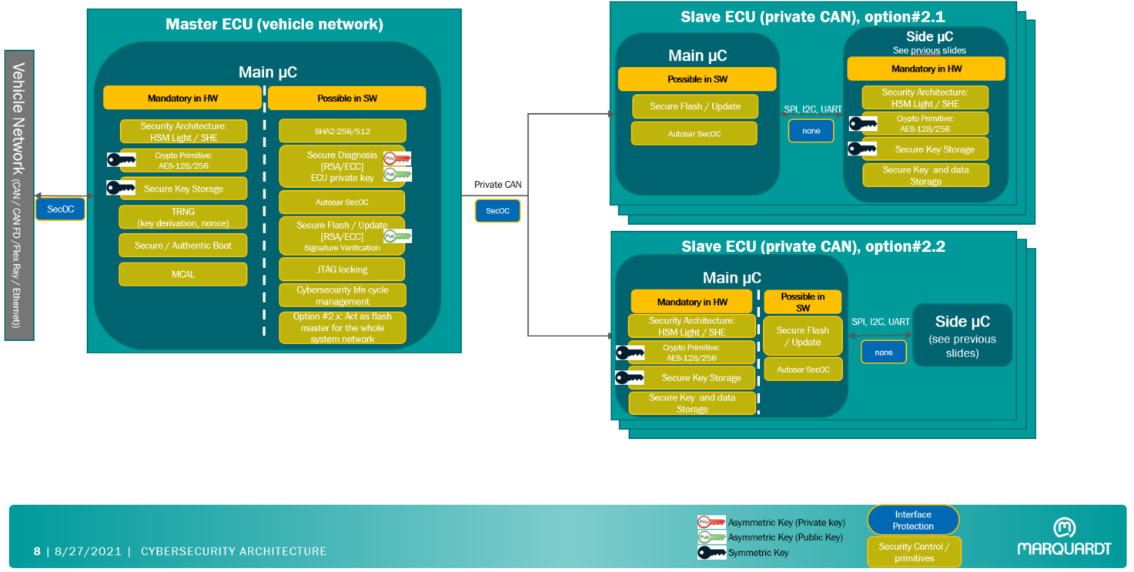

Item Description
!!!System Description shall be added here!!! for example: The system referred henceforth as ECU Name is formed out of X main subsystems: ECU Name 1, ECU Name 2, ECU Name 3, [...], ECU Name Y and their respective interfaces. Each of the X subsystems are further split in the subcomponents as in the table below. The elements marked in Italic Grey fonts are not part of the ECU Name system as it is developed by Marquardt. They are only referred to give an overall system image: ECU Name 2, ECU Name 2, [...], ECU Name Y

Item Components List
ID | Component | Scope | Function | Description | Technology | is part of
C.1 | Main Controller | MQ_related | Main ECU | Add here description |  | ECU Name 1
C.2 | Secure Element | MQ related | Secure Element | Add here description |  | ECU Name 2
C.3 | Communication Controller | MQ related | Bluetooth Low Energy - NXP KW45B41Z82AFTA | Add here description |  | ECU Name 3
C.4 | Ranging Microcontroller | MQ related | Code name Ranger | Add here description |  | ECU Name Y
C.5 | NFC Card | Not MQ_related | NFC Card | Add here description |  | NFC Card
C.6 | WPS | Not MQ_related | Wireless Power Charges | Add here description |  | Wireless Controller
C.7
C.8
C.9
C.10

Item Interfaces List
ID | Interface | Description |  |  | Technology | is part of
I.1 | Vehicle CAN | Interface between ECU and Vehicle CAN |  |  |  | ECU Name 1
I.2 | Vehicle LIN | Interface between ECU and Vehicle LIN |  |  |  | ECU Name 2
I.3 | Private CAN | Interface between ECUs components (C.x, C.y) |  |  |  | ECU Name 3
I.4 | Private CAN | Interface between ECUs components (C.x, C.y) |  |  |  | ECU Name Y
I.5 | ECU_JTAG | Interface between ECU and programming/debugging device |  |  |  | ECU Name Y
I.6 | ECU_Debug | Interface between ECU and programming/debugging device |  |  |  | ECU Name Y
I.7 | ECU_BLE | Bluethoot Interface between ECU and KeyFob |  |  |  | ECU Name Y
I.8 | ECU_Sensor1 | Interface between ECU and Sensor1 |  |  |  | ECU Name Y
I.9 | ECU_Sensor2 | Interface between ECU and Sensor1 |  |  |  | ECU Name Y
I.10

ECU 1 (Main ECU) Note: shall be replaced with the specific ECU of the system

Item Boundary
!!!System Boundary shall be added here!!! for example: The ECU name subsystem is constituted out of: 1. X main components: The Main Controller(C.X) , The Secure Element(C.Y), Communication Microcontroller(C.Z) 2. Y internal data interfaces: Internal Interface 1 between C.X and C.Y ; Internal Interface 2 between C.X and C.Z 3. Z external data interfaces: External Interface 1 to vehicle (C.Z); External Interface 2 to other external components C.V (e.g: Bluetooth Low Energy to KeyFob or Smart Phone & Application) 4. V electrical interfaces: Power Supply and Ground to Vehicle 5. W physical interfaces: PCB and housing

Item Functional Overview
!!!System functional overview shall be added here!!! for example: The ECU Name main functionality is authenticating digital keys stored in various external devices(i.e. KeyFob, NFC Card, Smart Phone) and providing access to various vehicle features based on the authenticated keys. This functionality is achieved by implementing various communication protocols such as BLE for communicating with the KeyFob or CAN FD for communicating with the NFC Reader which in turn uses the NFC protocol to read NFC cards. The ECU name is also a store for cryptographic material.

Item Architecture
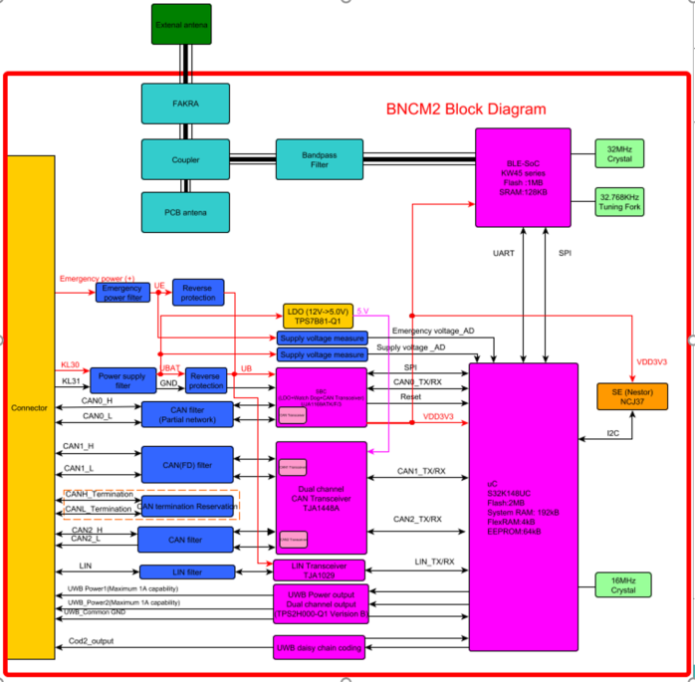

ECU 2 (Slave ECU) Note: shall be replaced with the specific ECU of the system

Item Boundary
!!!System Boundary shall be added here!!! for example: The ECU name subsystem is constituted out of: 1. X main components: The Main Controller(C.X) , The Secure Element(C.Y), Communication Microcontroller(C.Z) 2. Y internal data interfaces: Internal Interface 1 between C.X and C.Y ; Internal Interface 2 between C.X and C.Z 3. Z external data interfaces: External Interface 1 to vehicle (C.Z); External Interface 2 to other external components C.V (e.g: Bluetooth Low Energy to KeyFob or Smart Phone & Application) 4. V electrical interfaces: Power Supply and Ground to Vehicle 5. W physical interfaces: PCB and housing

Item Functional Overview
!!!System functional overview shall be added here!!! for example: The ECU Name main functionality is authenticating digital keys stored in various external devices(i.e. KeyFob, NFC Card, Smart Phone) and providing access to various vehicle features based on the authenticated keys. This functionality is achieved by implementing various communication protocols such as BLE for communicating with the KeyFob or CAN FD for communicating with the NFC Reader which in turn uses the NFC protocol to read NFC cards. The ECU name is also a store for cryptographic material.

Item Architecture

ECU XX (Slave ECU) Note: shall be replaced with the specific ECU of the system

Item Boundary
!!!System Boundary shall be added here!!! for example: The ECU name subsystem is constituted out of: 1. X main components: The Main Controller(C.X) , The Secure Element(C.Y), Communication Microcontroller(C.Z) 2. Y internal data interfaces: Internal Interface 1 between C.X and C.Y ; Internal Interface 2 between C.X and C.Z 3. Z external data interfaces: External Interface 1 to vehicle (C.Z); External Interface 2 to other external components C.V (e.g: Bluetooth Low Energy to KeyFob or Smart Phone & Application) 4. V electrical interfaces: Power Supply and Ground to Vehicle 5. W physical interfaces: PCB and housing

Item Functional Overview
!!!System functional overview shall be added here!!! for example: The ECU Name main functionality is authenticating digital keys stored in various external devices(i.e. KeyFob, NFC Card, Smart Phone) and providing access to various vehicle features based on the authenticated keys. This functionality is achieved by implementing various communication protocols such as BLE for communicating with the KeyFob or CAN FD for communicating with the NFC Reader which in turn uses the NFC protocol to read NFC cards. The ECU name is also a store for cryptographic material.

Item Architecture

Assumptions
ID | Description
A.1 | The item is physically protected by anti-tamper enclosures, which is an assumption on the operational environment.
A.2 | The Secure Element (C.X) does not have a JTAG interface and the provided software cannot be modified, erased or read by any means.
A.3 | The Cryptographic material stored inside the HSM module of the Main Microcontroller(C.1) can be modified, erased or read exclusively through programmatic commands according to the datasheet
A.4 | add description here
A.5 | add description here
A.6 | add description here
A.7 | add description here
A.8 | add description here
A.9 | add description here
A.10 | add description here

S1-Asset_Identification
Template x.y
Template x.y
 |  | S1-Asset Identification
Project Number: | M000000 | Project Name: | ProjectName |  |  |  |  | Sample: | B0 Sample
Guideline Step1-2 | <------ Hint: Click to see guidelines sheet
1.1 Asset Identification |  |  |  |  | 1.2 Cybersecurity Property Identification (CIAAG) |  | 1.3 Damage Scenario Identification
Component | Function | Asset ID | Asset List | Asset Description | Property | Applicable | ID | Description
Main Controller | Main ECU | Prj_Comp_AS-01 | SW in ECU | All SW inside ECU --> Boot Mgr, BootLoader, Application (including Safety) | Confidentiality | NO
 |  |  |  |  | Integrity | YES | Prj_Comp_DS-01 | Unexpected behvaiour - functions compromised by software application manipulation, thus leading to a loss of the ECU integrity
 |  |  |  |  | Availability | YES | Prj_Comp_DS-02 | Unexpected behvaiour - functions compromised by software application manipulation, thus leading to a loss of the ECU availability
 |  |  |  |  | Authenticity | YES | Prj_Comp_DS-03 | Unexpected behvaiour - functions compromised by software application manipulation, thus leading to a loss of the ECU authenticity
 |  |  |  |  | Gouvernance | NO
Secure Element | Secure Element | Prj_Comp_AS-02 | Keys, Certificates and logs | Data which needs to be securely protected (Boot_Key, SecOC key, CCC Digital Key….) | Confidentiality | YES | Prj_Comp_DS-04 | Unexpected behvaiour - Crytographic data compromised by teft, thus leading to a loss of Confidentiality
 |  |  |  |  | Integrity | NO
 |  |  |  |  | Availability | NO
 |  |  |  |  | Authenticity | NO
 |  |  |  |  | Gouvernance | NO
Main Controller | Main ECU | Prj_Comp_AS-03 | Safety Function XY | Functional Safety Function (ASIL A-D) | Confidentiality | NO
 |  |  |  |  | Integrity | YES | Prj_Comp_DS-05 | Functional Safety uninteded behavior - safety functions compromised, thus leading to a loss of the ECU integrity
 |  |  |  |  | Availability | NO
 |  |  |  |  | Authenticity | NO
 |  |  |  |  | Gouvernance | NO
Communication Controller | Bluetooth Low Energy - NXP KW45B41Z82AFTA | Prj_Comp_AS-04 | Security Functions XY | Security Function (anti-teft functions) | Confidentiality | NO
 |  |  |  |  | Integrity | NO
 |  |  |  |  | Availability | NO
 |  |  |  |  | Authenticity | NO
 |  |  |  |  | Gouvernance | YES | Prj_Comp_DS-06 | Security Anti-teft uninteded behavior - antiteft functions compromised, thus leading to a vehicle access by an non-authorized person
 |  |  |  |  | Confidentiality | Please Select
 |  |  |  |  | Integrity | Please Select
 |  |  |  |  | Availability | Please Select
 |  |  |  |  | Authenticity | Please Select
 |  |  |  |  | Gouvernance | Please Select
 |  |  |  |  | Confidentiality | Please Select
 |  |  |  |  | Integrity | Please Select
 |  |  |  |  | Availability | Please Select
 |  |  |  |  | Authenticity | Please Select
 |  |  |  |  | Gouvernance | Please Select
 |  |  |  |  | Confidentiality | Please Select
 |  |  |  |  | Integrity | Please Select
 |  |  |  |  | Availability | Please Select
 |  |  |  |  | Authenticity | Please Select
 |  |  |  |  | Gouvernance | Please Select
 |  |  |  |  | Confidentiality | Please Select
 |  |  |  |  | Integrity | Please Select
 |  |  |  |  | Availability | Please Select
 |  |  |  |  | Authenticity | Please Select
 |  |  |  |  | Gouvernance | Please Select
 |  |  |  |  | Confidentiality | Please Select
 |  |  |  |  | Integrity | Please Select
 |  |  |  |  | Availability | Please Select
 |  |  |  |  | Authenticity | Please Select
 |  |  |  |  | Gouvernance | Please Select
 |  |  |  |  | Confidentiality | Please Select
 |  |  |  |  | Integrity | Please Select
 |  |  |  |  | Availability | Please Select
 |  |  |  |  | Authenticity | Please Select
 |  |  |  |  | Gouvernance | Please Select
 |  |  |  |  | Confidentiality | Please Select
 |  |  |  |  | Integrity | Please Select
 |  |  |  |  | Availability | Please Select
 |  |  |  |  | Authenticity | Please Select
 |  |  |  |  | Gouvernance | Please Select
 |  |  |  |  | Confidentiality | Please Select
 |  |  |  |  | Integrity | Please Select
 |  |  |  |  | Availability | Please Select
 |  |  |  |  | Authenticity | Please Select
 |  |  |  |  | Gouvernance | Please Select
 |  |  |  |  | Confidentiality | Please Select
 |  |  |  |  | Integrity | Please Select
 |  |  |  |  | Availability | Please Select
 |  |  |  |  | Authenticity | Please Select
 |  |  |  |  | Gouvernance | Please Select
 |  |  |  |  | Confidentiality | Please Select
 |  |  |  |  | Integrity | Please Select
 |  |  |  |  | Availability | Please Select
 |  |  |  |  | Authenticity | Please Select
 |  |  |  |  | Gouvernance | Please Select
 |  |  |  |  | Confidentiality | Please Select
 |  |  |  |  | Integrity | Please Select
 |  |  |  |  | Availability | Please Select
 |  |  |  |  | Authenticity | Please Select
 |  |  |  |  | Gouvernance | Please Select

S2-Impact_Rating
Template x.y
Template x.y
 |  | S2 Impact Rating
Project Number: | M000000 |  | Project Name: | ProjectName |  |  | Sample: | B0 Sample
Guideline Step1-2 | <------ Hint: Click to see guidelines sheet |  |  |  |  |  |  | Hint: Expand for visualising rating values
Impact of Damage (ISO 21434:2021 Annex F: F1 - F4)
Assets |  |  | Damage Scenarios |  | Safety 2-Severe 1.5-Major 1-Moderate 0-Negligible | Financial 2-Severe 1.5-Major 1-Moderate 0-Negligible | Operational 2-Severe 1.5-Major 1-Moderate 0-Negligible | Privacy 2-Severe 1.5-Major 1-Moderate 0-Negligible | Highest Impact 2-Severe 1.5-Major 1-Moderate 0-Negligible | Justification
ID | Property & Description |  | ID | Description
Prj_Comp_AS-01 | Integrity of SW in ECU |  | Prj_Comp_DS-01 | Unexpected behvaiour - functions compromised by software application manipulation, thus leading to a loss of the ECU integrity | S0: No injuries | F2: The financial damage leads to substantial consequences which the affected stakeholder will be able to overcome. | O1: The operational damage leads to partial degradation of a vehicle function or performance. | P0: The privacy damage leads to no effect or can create few inconveniencies to the road user. In this case, the information regarding the road user is not sensitive and difficult to link to a PII principal. | Major | !!!justification shall be added manually here!!! Eg:
Prj_Comp_AS-01 | Availability of SW in ECU |  | Prj_Comp_DS-02 | Unexpected behvaiour - functions compromised by software application manipulation, thus leading to a loss of the ECU availability | S0: No injuries | F0: The financial damage leads to no effect, negligible consequences or is irrelevant to the stakeholder. | O0: The operational damage leads to no effect or indiscernible degradation of a vehicle function or performance. | P0: The privacy damage leads to no effect or can create few inconveniencies to the road user. In this case, the information regarding the road user is not sensitive and difficult to link to a PII principal. | Negligible | !!!justification shall be added manually here!!!
Prj_Comp_AS-01 | Authenticity of SW in ECU |  | Prj_Comp_DS-03 | Unexpected behvaiour - functions compromised by software application manipulation, thus leading to a loss of the ECU authenticity | S0: No injuries | F1: The financial damage leads to inconvenient consequences which the affected stakeholder will be able to overcome with limited resources. | O1: The operational damage leads to partial degradation of a vehicle function or performance. | P1: The privacy damage leads to significant inconveniences to the road user. In this case, the information regarding the road user is: a) sensitive but difficult to link to a PII principal, or b) not sensitive but easy to link to a PII principal. | Moderate | !!!justification shall be added manually here!!!
Prj_Comp_AS-02 | Confidentiality of Keys, Certificates and logs |  | Prj_Comp_DS-04 | Unexpected behvaiour - Crytographic data compromised by teft, thus leading to a loss of Confidentiality | S0: No injuries | F0: The financial damage leads to no effect, negligible consequences or is irrelevant to the stakeholder. | O0: The operational damage leads to no effect or indiscernible degradation of a vehicle function or performance. | P2: The privacy damage leads to serious impact to the road user. In this case, the information regarding the road user is: a) highly sensitive and difficult to link to a PII principal, or b) sensitive and easy to link to a PII principal. | Major | !!!justification shall be added manually here!!!
Prj_Comp_AS-03 | Integrity of Safety Function XY |  | Prj_Comp_DS-05 | Functional Safety uninteded behavior - safety functions compromised, thus leading to a loss of the ECU integrity | S3: Life-threatening injuries (survival uncertain), fatal injuries | F1: The financial damage leads to inconvenient consequences which the affected stakeholder will be able to overcome with limited resources. | O2: The operational damage leads to the loss of a vehicle function. | P0: The privacy damage leads to no effect or can create few inconveniencies to the road user. In this case, the information regarding the road user is not sensitive and difficult to link to a PII principal. | Severe | !!!justification shall be added manually here!!! Example: Safety Severe: due to ASIL-D functions Financial Moderate: As full functionality can be restored with a finite ammount of money by going to a dealership Operational Moderate: As only one functionality is impacted Privacy Negligible: As this scenario creates low inconveniencies to the road user.
Prj_Comp_AS-04 | Gouvernance of Security Functions XY |  | Prj_Comp_DS-06 | Security Anti-teft uninteded behavior - antiteft functions compromised, thus leading to a vehicle access by an non-authorized person | S0: No injuries | F2: The financial damage leads to substantial consequences which the affected stakeholder will be able to overcome. | O1: The operational damage leads to partial degradation of a vehicle function or performance. | P3: The privacy damage leads to significant or even irreversible impact to the road user. In this case, the information regarding the road user is highly sensitive and easy to link to a PII principal. | Severe | !!!justification shall be added manually here!!!

S3-Threat_Scenario_Ident
Template x.y
Template x.y
 |  | S3 Threat Scenario Identification
Project Number: | M000000 |  | Project Name: | ProjectName |  |  | Sample: | B0 Sample
Guideline Step3 | <------ Hint: Click to see guidelines sheet |  |  |  |  |  |  | Hint: Expand to visualize additional threat scenarios
Threat Scenario Identification
Damage Scenarios |  |  |  | Threat Scenario |  |  | Threat Scenario |  |  | Mapp of Asset Properties to Threat acc to STRIDE
ID | Description |  |  | ID | STRIDE | Description | ID | STRIDE | Description | Threat with STRIDE | Asset Desired property
Prj_Comp_DS-01 | Unexpected behvaiour - functions compromised by software application manipulation, thus leading to a loss of the ECU integrity |  |  | Prj_Comp_TS-01 | Tampering | application software: compromised by malicious software | Prj_Comp_TS-02 | Tampering | bootloader software: compromised by malicious software | Spoofing | Authenticity
Prj_Comp_DS-02 | Unexpected behvaiour - functions compromised by software application manipulation, thus leading to a loss of the ECU availability |  |  | Prj_Comp_TS-03 | Denial of Service | application software: main functions not given anymore | Prj_Comp_TS-04 | Denial of Service | bootloader software: main functions not given anymore | Tampering | Integrity
Prj_Comp_DS-03 | Unexpected behvaiour - functions compromised by software application manipulation, thus leading to a loss of the ECU authenticity |  |  | Prj_Comp_TS-05 | Spoofing | main functions: compromised by spoofed messages (application messages) | Prj_Comp_TS-06 | Spoofing | functions are compromised by spoofed messages (diagnostic messages) | Repudiation | Authenticity
Prj_Comp_DS-04 | Unexpected behvaiour - Crytographic data compromised by teft, thus leading to a loss of Confidentiality |  |  | Prj_Comp_TS-07 | Backdoor | cryptographic data: sell data to black market |  |  |  | Information disclosure | Confidentiality
Prj_Comp_DS-05 | Functional Safety uninteded behavior - safety functions compromised, thus leading to a loss of the ECU integrity |  |  | Prj_Comp_TS-08 | Tampering | safety function: compromised |  |  |  | Denial of Service | Availability
Prj_Comp_DS-06 | Security Anti-teft uninteded behavior - antiteft functions compromised, thus leading to a vehicle access by an non-authorized person |  |  | Prj_Comp_TS-09 | Elevation of Privilege | vehicle access: steel car/ use care shareing fleet while not authorized |  |  |  | Elevation of Privilege | Gouvernance
 |  |  |  |  |  |  |  |  |  | Backdoor | Gouvernance

S4-5-Attack_Path-Feasibility
Template x.y
Template x.y
 |  | S4 Attack Path Analysis -> S5 Attack Feasibility Rating
Project Number: | M000000 |  | Project Title: | ProjectName |  |  |  |  |  |  |  |  | Sample: | B0 Sample
Guideline Step4 | <------ Hint: Click to see guidelines sheet |  |  | Hint: Click to see guidelines sheet ------> | Guideline Step5 |  |  |  |  | Hint: Expand to visualize rating values
S4 Attack Path Identification |  |  |  |  |  |  | S5 Attack Feasibility Rating (ISO 21434:2021 Annex G: G1 - G7, G9)
Threat Scenarios |  |  | Attack Paths |  |  |  | Attack Feasibility (Attack Potential) |  |  |  |  |  | Attack Feasibility (Attack Vector) |  | Cumulative Attack Feasibility Rating (Higher value between Column R&U)
ID | Description |  | ID | Description | Attack Tree Reference | Used Interface | Elapsed Time | Specialist Expertise | Knowledge of the Item | Window of Oppurtunity | Equipment | Attack Feasibility | Attack Vector | Attack Feasibility
Prj_Comp_TS-01 | Tampering of: application software: compromised by malicious software |  | Prj_Comp_AP-01 | Attacker gets access the SW and performs a man in the middle attack using the JTAG Interface or CAN Interface | Attack_Tree_Model_MIMA_Attack.att | Vehicle CAN , ECU_JTAG | <= 1 month | Proficient | Public information | Moderate | Specialized | MEDIUM | Adjacent | MEDIUM | MEDIUM | Prj_Comp_DS-01 | Unexpected behvaiour - functions compromised by software application manipulation, thus leading to a loss of the ECU integrity | Major | Unexpected behvaiour - functions compromised by software application manipulation, thus leading to a loss of the ECU integrity | Major
Prj_Comp_TS-02 | Tampering of: bootloader software: compromised by malicious software |  | Prj_Comp_AP-02 | Attacker gets access the SW and performs a man in the middle attack using the JTAG Interface or CAN Interface | Attack_Tree_Model_MIMA_Attack.att | Vehicle CAN , ECU_JTAG | <= 1 month | Proficient | Public information | Moderate | Specialized | MEDIUM | Local | LOW | MEDIUM | Prj_Comp_DS-01 | Unexpected behvaiour - functions compromised by software application manipulation, thus leading to a loss of the ECU integrity | Major | Unexpected behvaiour - functions compromised by software application manipulation, thus leading to a loss of the ECU integrity | Major
Prj_Comp_TS-03 | Denial of Service of: application software: main functions not given anymore |  | Prj_Comp_AP-03 | Attacker interceps the SW triggering spoofed(valid) messages which realizes a spoofed communication | Attack_Tree_Model_Comm_Spoofing.att | Private CAN, Vehicle CAN | <= 1 week | Proficient | Restricted information | Moderate | Multiple bespoke | LOW | Physical | VERY LOW | LOW | Prj_Comp_DS-02 | Unexpected behvaiour - functions compromised by software application manipulation, thus leading to a loss of the ECU availability | Negligible | Unexpected behvaiour - functions compromised by software application manipulation, thus leading to a loss of the ECU availability | Negligible
Prj_Comp_TS-04 | Denial of Service of: bootloader software: main functions not given anymore |  | Prj_Comp_AP-04 | Attacker interceps the SW triggering spoofed(valid) messages which realizes a spoofed communication | Attack_Tree_Model_Comm_Spoofing.att | Private CAN, Vehicle CAN | <= 1 day | Proficient | Restricted information | Unlimited | Standard | HIGH | Local | LOW | HIGH | Prj_Comp_DS-02 | Unexpected behvaiour - functions compromised by software application manipulation, thus leading to a loss of the ECU availability | Negligible | Unexpected behvaiour - functions compromised by software application manipulation, thus leading to a loss of the ECU availability | Negligible
Prj_Comp_TS-05 | Spoofing of: main functions: compromised by spoofed messages (application messages) |  | Prj_Comp_AP-05 | Attacker intercepts the communicaion and perfroms a man in the middle attack to tamper the communication | Attack_Tree_Model_Comm_Spoofing.att | Private CAN, Vehicle CAN | <= 1 day | Layman | Public information | Easy | Multiple bespoke | HIGH | Physical | VERY LOW | HIGH | Prj_Comp_DS-03 | Unexpected behvaiour - functions compromised by software application manipulation, thus leading to a loss of the ECU authenticity | Moderate | Unexpected behvaiour - functions compromised by software application manipulation, thus leading to a loss of the ECU authenticity | Moderate
Prj_Comp_TS-06 | Spoofing of: functions are compromised by spoofed messages (diagnostic messages) |  | Prj_Comp_AP-06 | Attacker intercepts the communicaion and perfroms a man in the middle attack to tamper the communication | Attack_Tree_Model_Comm_Spoofing.att | Private CAN, Vehicle CAN | <= 1 day | Layman | Public information | Easy | Specialized | HIGH | Network | HIGH | HIGH | Prj_Comp_DS-03 | Unexpected behvaiour - functions compromised by software application manipulation, thus leading to a loss of the ECU authenticity | Moderate | Unexpected behvaiour - functions compromised by software application manipulation, thus leading to a loss of the ECU authenticity | Moderate
Prj_Comp_TS-07 | Backdoor of: cryptographic data: sell data to black market |  | Prj_Comp_AP-07 | Attacker gets access to ECU software and extracts cryptographic material due to insufficient protection inside ECU | Attack_Tree_Model_MIMA_Attack.att | ECU_Debug | <= 1 day | Proficient | Restricted information | Unlimited | Bespoke | HIGH | Adjacent | MEDIUM | HIGH | Prj_Comp_DS-04 | Unexpected behvaiour - Crytographic data compromised by teft, thus leading to a loss of Confidentiality | Major | Unexpected behvaiour - Crytographic data compromised by teft, thus leading to a loss of Confidentiality | Major
Prj_Comp_TS-08 | Tampering of: safety function: compromised |  | Prj_Comp_AP-08 | Attacker gets access the SW and performs a man in the middle attack using the Safety Sensors Interfaces | Attack_Tree_Model_MIMA_Attack.att | ECU_Sensor1 | <= 1 month | Proficient | Restricted information | Moderate | Specialized | MEDIUM | Local | LOW | MEDIUM | Prj_Comp_DS-05 | Functional Safety uninteded behavior - safety functions compromised, thus leading to a loss of the ECU integrity | Severe | Functional Safety uninteded behavior - safety functions compromised, thus leading to a loss of the ECU integrity | Severe
Prj_Comp_TS-09 | Elevation of Privilege of: vehicle access: steel car/ use care shareing fleet while not authorized |  | Prj_Comp_AP-09 | Attacker gets acces on the BLE communication between ECU and KeyFob and performs replay attack | Attack_Tree_Model_REplay_Attack.att | ECU_BLE | > 6 months | Proficient | Confidential information | Unlimited | Bespoke | VERY LOW | Local | LOW | LOW | Prj_Comp_DS-06 | Security Anti-teft uninteded behavior - antiteft functions compromised, thus leading to a vehicle access by an non-authorized person | Severe | Security Anti-teft uninteded behavior - antiteft functions compromised, thus leading to a vehicle access by an non-authorized person | Severe
 |  |  |  |  |  |  |  |  |  |  |  |  |  |  |  | <Prj_Comp>_AS-01 | Availability of JTAG Interface |  |  | Negligible
 |  |  |  |  |  |  |  |  |  |  |  |  |  |  |  | <Prj_Comp>_AS-01 | Authenticity of JTAG Interface |  |  | Negligible
 |  |  |  |  |  |  |  |  |  |  |  |  |  |  |  | <Prj_Comp>_AS-01 | Authenticity of JTAG Interface |  |  | Negligible
 |  |  |  |  |  |  |  |  |  |  |  |  |  |  |  | <Prj_Comp>_AS-01 | Authenticity of JTAG Interface |  |  | Negligible
 |  |  |  |  |  |  |  |  |  |  |  |  |  |  |  | <Prj_Comp>_AS-01 | Authenticity of JTAG Interface |  |  | Negligible
 |  |  |  |  |  |  |  |  |  |  |  |  |  |  |  | <Prj_Comp>_AS-01 | Authenticity of JTAG Interface |  |  | Negligible
 |  |  |  |  |  |  |  |  |  |  |  |  |  |  |  | <Prj_Comp>_AS-02 | Confidentiality of SW in ECU |  |  | Negligible
 |  |  |  |  |  |  |  |  |  |  |  |  |  |  |  | <Prj_Comp>_AS-02 | Confidentiality of SW in ECU |  |  | Negligible
 |  |  |  |  |  |  |  |  |  |  |  |  |  |  |  | <Prj_Comp>_AS-02 | Confidentiality of SW in ECU |  |  | Negligible
 |  |  |  |  |  |  |  |  |  |  |  |  |  |  |  | <Prj_Comp>_AS-02 | Confidentiality of SW in ECU |  |  | Negligible
 |  |  |  |  |  |  |  |  |  |  |  |  |  |  |  | <Prj_Comp>_AS-02 | Confidentiality of SW in ECU |  |  | Negligible
 |  |  |  |  |  |  |  |  |  |  |  |  |  |  |  | <Prj_Comp>_AS-02 | Availability of SW in ECU
 |  |  |  |  |  |  |  |  |  |  |  |  |  |  |  | <Prj_Comp>_AS-02 | Availability of SW in ECU
 |  |  |  |  |  |  |  |  |  |  |  |  |  |  |  | <Prj_Comp>_AS-02 | Availability of SW in ECU
 |  |  |  |  |  |  |  |  |  |  |  |  |  |  |  | <Prj_Comp>_AS-02 | Availability of SW in ECU
 |  |  |  |  |  |  |  |  |  |  |  |  |  |  |  | <Prj_Comp>_AS-02 | Availability of SW in ECU
 |  |  |  |  |  |  |  |  |  |  |  |  |  |  |  | <Prj_Comp>_AS-02 | Non-repudiation of SW in ECU
 |  |  |  |  |  |  |  |  |  |  |  |  |  |  |  | <Prj_Comp>_AS-02 | Non-repudiation of SW in ECU
 |  |  |  |  |  |  |  |  |  |  |  |  |  |  |  | <Prj_Comp>_AS-02 | Non-repudiation of SW in ECU
 |  |  |  |  |  |  |  |  |  |  |  |  |  |  |  | <Prj_Comp>_AS-02 | Non-repudiation of SW in ECU
 |  |  |  |  |  |  |  |  |  |  |  |  |  |  |  | <Prj_Comp>_AS-02 | Non-repudiation of SW in ECU
 |  |  |  |  |  |  |  |  |  |  |  |  |  |  |  | <Prj_Comp>_AS-03 | Confidentiality of V-CAN Interface
 |  |  |  |  |  |  |  |  |  |  |  |  |  |  |  | <Prj_Comp>_AS-03 | Confidentiality of V-CAN Interface
 |  |  |  |  |  |  |  |  |  |  |  |  |  |  |  | <Prj_Comp>_AS-03 | Confidentiality of V-CAN Interface
 |  |  |  |  |  |  |  |  |  |  |  |  |  |  |  | <Prj_Comp>_AS-03 | Confidentiality of V-CAN Interface
 |  |  |  |  |  |  |  |  |  |  |  |  |  |  |  | <Prj_Comp>_AS-03 | Confidentiality of V-CAN Interface

S6-7-Risk_Assessment(TARA)
Template x.y
Template x.y
 |  | S6 Risk Value Determination -> S7 Risk Treatment Decision
Project Number: | M000000 | Project Name: | ProjectName |  |  |  |  |  |  |  |  |  |  | Sample: |  |  |  | B0 Sample
Guideline Step6-7 | <------ Hint: Click to see guidelines sheet |  |  |  | Hint: Expand to visualize IDs
TARA ID |  |  |  | STEP 3 Threat Scenario Identification (copy) |  |  |  |  | STEP 2 Damage Potential (copy) | STEP 5 Attack Potential (copy) | STEP 6 Risk Assessment (ISO 21434:Annex H: H8) |  | STEP 7 Risk Treatment Decisions (shall be aligned with OEM) |  | Cybersecurity Goals & CAL Levels |  |  | Risk Re-Assessment (including security measures) (ISO 21434:Annex H: H8)
 |  |  |  | Threat Scenario & STRIDE |  |  |  |  |  |  | 1 - Very Low 2 - Low 3 - Medium 4 - High 5 - Critical | Rating | Decision | Claim | Cybersecurity Goal |  | CAL | 1 - Very Low 2 - Low 3 - Medium 4 - High 5 - Critical | Rationale | Rating
 | object that has value, or contributes to value | undesired/ adverse consequence(s)> due to <non-function/ non-service> caused by compromise of asset(s)/ cybersecurity property(ies) |  | Threat Scenario ID | STRIDE threat mapped to security property> to an asset, which may causes the damage scenario | attacker action 1 -> action 2 -> … -> which will realize the threat scenario (to cause the damage) | Attack Tree Reference | Used Interface | damage rating SFOP | attack feasibility |  |  | decision, whether the risk is accepted or not accepted | rationale if risk is accepted/ avoided/ transfered | ID | Description | Cybersecurity Assurance Level
Prj_Comp_TARA-01 | Integrity of SW in ECU | Unexpected behvaiour - functions compromised by software application manipulation, thus leading to a loss of the ECU integrity |  | Prj_Comp_TS-01 | Tampering of: application software: compromised by malicious software | Attacker gets access the SW and performs a man in the middle attack using the JTAG Interface or CAN Interface | Attack_Tree_Model_MIMA_Attack.att | Vehicle CAN , ECU_JTAG | Major | MEDIUM | Medium | 3 | Reduction | NA | SecG-01 | Integrity of ECU APPL SW shall be ensured | CAL2 | Very Low | Risk reduction by security measure: SYS_CyS-XXX Secure Boot | 1
Prj_Comp_TARA-02 | Integrity of SW in ECU | Unexpected behvaiour - functions compromised by software application manipulation, thus leading to a loss of the ECU integrity |  | Prj_Comp_TS-02 | Tampering of: bootloader software: compromised by malicious software | Attacker gets access the SW and performs a man in the middle attack using the JTAG Interface or CAN Interface | Attack_Tree_Model_MIMA_Attack.att | Vehicle CAN , ECU_JTAG | Major | MEDIUM | Medium | 3 | Reduction | NA | SecG-02 | Integrity of ECU BOOT SW shall be ensured | CAL2 | Very Low | Risk reduction by security measure: SYS_CyS-XXX Secure Boot | 1
Prj_Comp_TARA-03 | Availability of SW in ECU | Unexpected behvaiour - functions compromised by software application manipulation, thus leading to a loss of the ECU availability |  | Prj_Comp_TS-03 | Denial of Service of: application software: main functions not given anymore | Attacker interceps the SW triggering spoofed(valid) messages which realizes a spoofed communication | Attack_Tree_Model_Comm_Spoofing.att | Private CAN, Vehicle CAN | Negligible | LOW | Very Low | 1 | Reduction | NA | SecG-03 | Availability of ECU APPL SW shall be ensured | CAL1 | Low | Reduction by security measure: SYS_CyS-XXX Debug Locking | 2
Prj_Comp_TARA-04 | Availability of SW in ECU | Unexpected behvaiour - functions compromised by software application manipulation, thus leading to a loss of the ECU availability |  | Prj_Comp_TS-04 | Denial of Service of: bootloader software: main functions not given anymore | Attacker interceps the SW triggering spoofed(valid) messages which realizes a spoofed communication | Attack_Tree_Model_Comm_Spoofing.att | Private CAN, Vehicle CAN | Negligible | HIGH | Very Low | 1 | Acceptance | Risk is accepted due to very low rating | N/A | N/A | N/A | Very Low | No risk reduction, no security measure planned | 1
Prj_Comp_TARA-05 | Authenticity of SW in ECU | Unexpected behvaiour - functions compromised by software application manipulation, thus leading to a loss of the ECU authenticity |  | Prj_Comp_TS-05 | Spoofing of: main functions: compromised by spoofed messages (application messages) | Attacker intercepts the communicaion and perfroms a man in the middle attack to tamper the communication | Attack_Tree_Model_Comm_Spoofing.att | Private CAN, Vehicle CAN | Moderate | HIGH | Medium | 3 | Reduction | NA | SecG-04 | Authenticity of ECU APPL SW shall be ensured | CAL2 | Very Low | Reduction by security measure: SYS_CyS-XXX Secure Boot | 1
Prj_Comp_TARA-06 | Authenticity of SW in ECU | Unexpected behvaiour - functions compromised by software application manipulation, thus leading to a loss of the ECU authenticity |  | Prj_Comp_TS-06 | Spoofing of: functions are compromised by spoofed messages (diagnostic messages) | Attacker intercepts the communicaion and perfroms a man in the middle attack to tamper the communication | Attack_Tree_Model_Comm_Spoofing.att | Private CAN, Vehicle CAN | Moderate | HIGH | Medium | 3 | Reduction | NA | SecG-04 | Authenticity of ECU APPL SW shall be ensured | CAL2 | Low | Reduction by security measure: SYS_CyS-XXX Secure Boot | 2
Prj_Comp_TARA-07 | Confidentiality of Keys, Certificates and logs | Unexpected behvaiour - Crytographic data compromised by teft, thus leading to a loss of Confidentiality |  | Prj_Comp_TS-07 | Backdoor of: cryptographic data: sell data to black market | Attacker gets access to ECU software and extracts cryptographic material due to insufficient protection inside ECU | Attack_Tree_Model_MIMA_Attack.att | ECU_Debug | Major | HIGH | High | 4 | Reduction | NA | SecG-05 | Confidentality of sensitve data within MCU shall be ensured | CAL3 | Low | Reduction by security measure: SYS_CyS-XXX Secure Boot | 1
Prj_Comp_TARA-08 | Integrity of Safety Function XY | Functional Safety uninteded behavior - safety functions compromised, thus leading to a loss of the ECU integrity |  | Prj_Comp_TS-08 | Tampering of: safety function: compromised | Attacker gets access the SW and performs a man in the middle attack using the Safety Sensors Interfaces | Attack_Tree_Model_MIMA_Attack.att | ECU_Sensor1 | Severe | MEDIUM | High | 4 | Avoidance | Functionality is removed from ECU | N/A | N/A | N/A | Very Low | Reduction by: remove of functionality | 1
Prj_Comp_TARA-09 | Gouvernance of Security Functions XY | Security Anti-teft uninteded behavior - antiteft functions compromised, thus leading to a vehicle access by an non-authorized person |  | Prj_Comp_TS-09 | Elevation of Privilege of: vehicle access: steel car/ use care shareing fleet while not authorized | Attacker gets acces on the BLE communication between ECU and KeyFob and performs replay attack | Attack_Tree_Model_REplay_Attack.att | ECU_BLE | Severe | LOW | Medium | 3 | Acceptance | Functinality is transferred to another ECU | N/A | N/A | N/A | Medium | No risk reduction, no security measure planned | 3

S8-Cybersecurity_Goals
Template x.y
Template x.y
 |  |  | S8 Cybersecurity Goals
 | Project Number: | M000000 | Project Title: | ProjectName |  |  | Sample: | B0 Sample

 | ID | Description |  |  | CAL | Encryption | Detection | Forensics
 | SecG-01 | Integrity of ECU APPL SW shall be ensured |  |  | CAL2 | Short description on how the Information/data shall be encrypted by a proper encryption mechanism shall be added here (e.g: AES 128, RSA-2048, AES -256) | Short description on how the security goal shall be technically implemented (e.g: integrity of SW shall be achieved by an appropriate security control) | Short description on how forensisc shall be implemented (e.g: cryptographic material shall be stored such, that changes can be detected and corrected; If integrity checks fails, information shall be logged by a secure control e.g. secure logging)
 | SecG-02 | Integrity of ECU BOOT SW shall be ensured |  |  | CAL2 | Short description on how the Information/data shall be encrypted by a proper encryption mechanism shall be added here (e.g: AES 128, RSA-2048, AES -256) | Short description on how the security goal shall be technically implemented (e.g: integrity of SW shall be achieved by an appropriate security control) | Short description on how forensisc shall be implemented (e.g: cryptographic material shall be stored such, that changes can be detected and corrected; If integrity checks fails, information shall be logged by a secure control e.g. secure logging)
 | SecG-03 | Availability of ECU APPL SW shall be ensured |  |  | CAL1 | Short description on how the Information/data shall be encrypted by a proper encryption mechanism shall be added here (e.g: AES 128, RSA-2048, AES -256) | Short description on how the security goal shall be technically implemented (e.g: integrity of SW shall be achieved by an appropriate security control) | Short description on how forensisc shall be implemented (e.g: cryptographic material shall be stored such, that changes can be detected and corrected; If integrity checks fails, information shall be logged by a secure control e.g. secure logging)
 | SecG-04 | Authenticity of ECU APPL SW shall be ensured |  |  | CAL2 | Short description on how the Information/data shall be encrypted by a proper encryption mechanism shall be added here (e.g: AES 128, RSA-2048, AES -256) | Short description on how the security goal shall be technically implemented (e.g: integrity of SW shall be achieved by an appropriate security control) | Short description on how forensisc shall be implemented (e.g: cryptographic material shall be stored such, that changes can be detected and corrected; If integrity checks fails, information shall be logged by a secure control e.g. secure logging)
 | SecG-05 | Confidentality of sensitve data within MCU shall be ensured |  |  | CAL3 | Short description on how the Information/data shall be encrypted by a proper encryption mechanism shall be added here (e.g: AES 128, RSA-2048, AES -256) | Short description on how the security goal shall be technically implemented (e.g: integrity of SW shall be achieved by an appropriate security control) | Short description on how forensisc shall be implemented (e.g: cryptographic material shall be stored such, that changes can be detected and corrected; If integrity checks fails, information shall be logged by a secure control e.g. secure logging)

<--- Expand for more lines

S9-CS_Concept(CSR_Gap-Analysis)
Template x.y
Template x.y
 |  |  |  | S8 Cybersecurity Concept
 | Project Number: | M000000 | Project Name: | ProjectName |  |  |  |  |  | Sample: | B0 Sample
 |  |  |  |  |  |  |  |  |  | Hint: Expand to visualize additional threat scenarios--->
 | Cybersecurity Goals |  |  |  |  |  | Cybersecurity Requirements |  |  | Cybersecurity Requirements
 | ID | Description |  |  | Gap Analysis | Rationale | Req. ID | Cybersecurity Control | Description | Req. ID | Cybersecurity Control | Description
 | SecG-01 | Integrity of ECU APPL SW shall be ensured |  |  | Largely | add here rationale e.g: Secure Flashing Secure Boot Secure Communication Secure Diagnostics/Secure Access/Access Rights Management | SYS_CyS-XXX | Hardening of Debug Interface | add here description
 | SecG-02 | Integrity of ECU BOOT SW shall be ensured |  |  | Fulfilled | add here rationale e.g: Secure Flashing Secure Boot Secure Communication Secure Diagnostics/Secure Access/Access Rights Management | SYS_CyS-XXX | Secure Boot | add here description | SYS_CyS-XXX | Secure Flashing | add here description
 | SecG-03 | Availability of ECU APPL SW shall be ensured |  |  | Fulfilled | add here rationale | SYS_CyS-XXX | Secure Boot | add here description | SYS_CyS-XXX | Secure Flashing | add here description
 | SecG-04 | Authenticity of ECU APPL SW shall be ensured |  |  | Partially | add here rationale | SYS_CyS-XXX | Secure Communication | add here description
 | SecG-05 | Confidentality of sensitve data within MCU shall be ensured |  |  | Not Fulfilled | add here rationale e.g: Secure Storage Secure Variant Coding Secure Event Logging Secure Date/Time | SYS_CyS-XXX | Secure Storage | add here description | SYS_CyS-XXX | Secure Logging | add here description

<--- Expand for more lines

Step1-2_Guidelines
Guideline Step 1 Asset Identification |  | Go to S1 | Go to S2
Asset: Something for which the compromise of its cybersecurity properties can lead to damage to an item’s stakeholder. Example: Stored encryption keys, address data, binary code |  |  |  |  | Damage Scenario: Adverse consequence involving a vehicle or vehicle function and affecting a road user |  |  |  | Mapp of Asset Properties to Threat acc to STRIDE
Cybersecurity Property: Attribute of an asset including confidentiality, integrity, and availability.
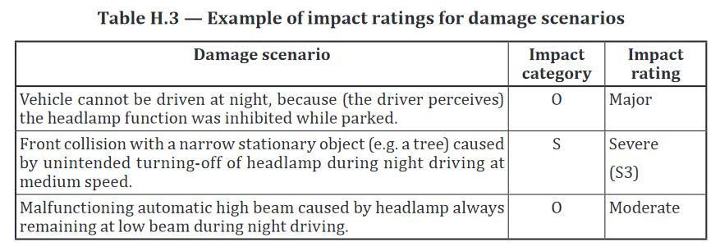
ENISA Asset Taxonomy |  |  |  | (click here for original document) | Damage scenario examples ISO 21434:2021
Asset Group | Assets |  |  | Description |  |  |  |  | Threat with STRIDE | Asset Desired property
Car sensors and actuators | Standard Sensors |  |  | These devices are common sensors (e.g. tire pressure, air bag impact, GNSS, speed, powertrain, seat belt, passenger occupancy, temperature, oil, water coolant, parking and climate control sensors) usually embedded in cars to measure some parameters and/or monitor or detect some events. The collected data is transmitted to ECU for processing purposes. |  |  |  |  | Spoofing | Authenticity
 | Sensors for autonomous vehicles |  |  | These devices are relatively new sensors embedded in autonomous vehicles to provide self-driving capabilities (e.g. localization, enabling the detection and identification of objects and people). This category of sensors mainly includes the following sensors: • Light Detecting and Ranging (LiDAR) • Lasers • Cameras • Radars • Ultrasonic sonars |  |  |  |  | Tampering | Integrity
 | Actuators |  |  | These devices are an important part of vehicles. They interact with the environment by converting an electrical signals received from the ECU into an action (e.g. apply the brake when a red light or a pedestrian crossing the road is detected, speed reduction on bad weather conditions, change of direction to get around an obstacle). The engine control unit, suspension, transmission, brake system and steering system are some examples of actuators |  |  |  |  | Repudiation | Authenticity
Decision Making Algorithms (Car ECUs, processing and decision making components Smart cars Infrastructure and Backend systems) | ML and AI algorithms |  |  | These software components provide smart cars with the capability to perform tasks that are typical for intelligent beings, such as reacting to an unanticipated and new situation based on previously collected data. ML and AI algorithms are implemented inside smart cars to enable them to react in real time whenever required, but they may be implemented outside the vehicle in remote servers as well. |  |  |  |  | Information disclosure | Confidentiality
 | Data fusion algorithms |  |  | These software components combine data acquired from different sensors (e.g. LiDAR and camera) and V2X communications. |  |  |  |  | Denial of Service | Availability
Vehicle Functions Car sensors and actuators Car ECUs, processing and decision making components | Vehicle functions |  |  | This term refers to the different vehicle functions (such as braking, acceleration, operating the steering wheel, route planning, etc.) which rely on one or several sensors data as well as processing and actuating nodes to operate correctly |  |  |  |  | Elevation of Privilege | Gouvernance
Software management Car ECUs, processing and decision making components In-vehicle communication components Smart cars frastructure and Backend systems | Software and Licenses |  |  | This term refers to the different software components of the vehicle. It includes on-board operating systems (which manage the resources of a given smart car hardware device and provides common services for other computer programs to run), programs and codes (which are written to perform a given task or technological objective, such as AI-based algorithms as well as real-time monitoring algorithms, or even protocol stacks/cryptographic algorithms’ software implementations), mobile applications (which correspond to programs running on mobile devices such as smartphones and tablets that are used to communicate with the smart car, to unlock the doors for instance) and antivirus (which is a particular software that monitors a device or network to detect and identify malwares, and prevent them from infecting devices) as well as on-board firmware (which is a class of software that are stored on a device read-only memory and provides instructions on how the device should operate). A smart car can include several OSes embedded on different devices. As for programs, antivirus and firmware, they can be found at every level: from ECUs to back-end servers. |  |  |  |  | Backdoor | Gouvernance
 | Software updates |  |  | This term refers to software updates (including Over- The-Air (OTA) updates) that are used by the OEM to remotely or locally deploy new firmware or software on smart cars.
Inside vehicle Communication Components In-vehicle communication components | Telematics box |  |  | This electronic module is the vehicle main communication unit. It provides the capability to connect to the cellular communication networks and enables other short and long range communications based on several technologies, such as Near Field Communications (NFC), Bluetooth, WiFi, etc.
 | Vehicle ITS station |  |  | This device enables wireless V2V and V2I communications.
 | In-Vehicle Gateway |  |  | This device plays a crucial role in smart cars. It interconnects the various in-vehicle networks to the telematics box and ITS station. It also provides physical isolation between the different functional domains.
 | In-Vehicle Infotainment (IVI) |  |  | This asset, also known as Head Unit or In-car Entertainment (ICE), refers to a vehicle system combining information exchanges (between the vehicle and the drivers/passengers through a touch screen-based tablet like device) and entertainment (i.e. audio and video). Smartphones can also be paired with such unit, allowing remote connectivity. It provides a hardware interface for the entire vehicle. | Threat Examples
 | OBD-II port |  |  | The OBD-II port, also called diagnostics plug, is an external interface that allows plugging different maintenance and diagnostic devices to smart cars. | CIAAG Scheme | Threat | Definition | Example
 | EV charging connector |  |  | The interface used to plug an electric or hybrid smart car to a charging station. | Confidentiality | Information Disclosure | Exposing information to someone not authorized to see it | Allow reengineering of SW IP. Publish payment data on the web.
Communication Networks and Protocols (Car ECUs, processing and decision making components In-vehicle communication components Car sensors and actuators | In-Vehicle networks |  |  | In-vehicle communications and domain subnetworks rely on several protocols such as Controller Area Network (CAN), Local Interconnect Network (LIN), Media Oriented Systems Transport (MOST), FlexRay and Ethernet. | Integrity | Tampering | Modifying data or code | Modifying a software code executed in an ECU, or a frame transmission as it traverses the bus system.
 | Protocols and communication technologies |  |  | Telematics box and ITS station provide different wireless communication technologies including 802.11p (DSRC), Cellular-V2X (C-V2X), cellular technologies (2G, 3G, 4G, 5G), NFC, Wi-Fi, Bluetooth. | Authenticity | Spoofing | Impersonating something or someone else | Pretending to be an ADAS ECU, which sends an emergency brake signal.
Nearby External Components Smart cars Infrastructure and Backend systems | Communication Components |  |  | These devices refers to nearby communication components interacting with smart cars. They include: Access Points (AP) which is a cellular networking hardware device that supports cellular communications and which directly communicates with the smart car telematics box. Road Side Unit (RSU), also known as Road Side Equipment (RSE), which is a communication device located on the roadside to provide connectivity and enable communication between the road side infrastructure and smart cars. | Authenticity | Repudiation | Impersonating something or someone else | “I did not use the motorway so I do not have to pay a fee”, “I did not modify the mileage counter”
 | Traffic signs and lights |  |  | Traffic signs and lights provide road users and smart cars with the necessary safety instructions and are mainly used to regulate the speed and traffic flow. In particular, traffic signs give the driving practices to follow and warn about dangerous conditions while traffic lights provide vehicles and drivers with the necessary instructions to follow at intersections and along roads. This asset includes lane marking as well. | Availability | Denial of Service | Deny or degrade service to users | Switch car into limp home mode. Delay emergency brake signal. Crash navigation system. Deny access to OEM cloud services.
Network and Domain Isolation Features Car ECUs, processing and decision making components, In-vehicle communication components Smart cars Infrastructure and Backend systems | Firewall |  |  | This network security device or software monitors and controls incoming and outgoing network traffic based on a predetermined set of security rules. | Gouvernance | Elevation of Privilege | Gain capabilities without proper authorization | Allow a remote internet user to send signals on the vehicle bus. Allow vehicle owner to activate features without paying for them
 | Routing table |  |  | It corresponds to a set of rules enabling to direct data packets to its destination or drop the packet if no match is found. | Gouvernance | Backdoor | Gaining access to the software by malicious code | Software developer builds in a secret backdoor to later make changes to data
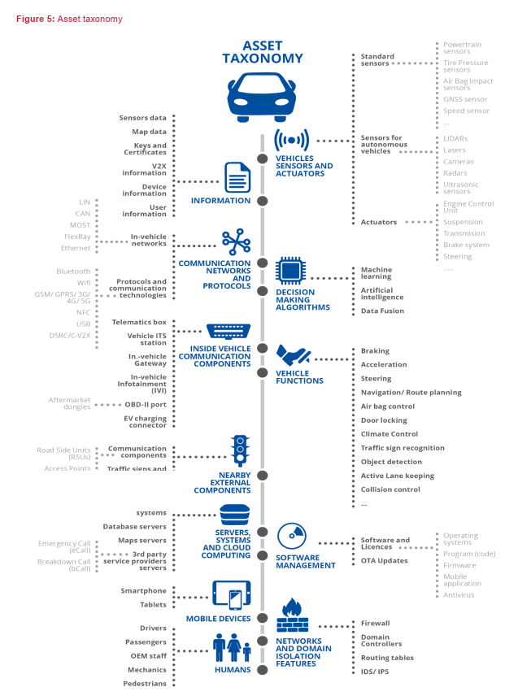
 | Domain controllers |  |  | These devices interconnect the different in-vehicle functional domains. They need to be powerful in terms of processing capabilities and real-time performance in order to support autonomous vehicles’ highly interconnected architecture.
 | IDS/IPS |  |  | Intrusion Detection Systems (IDS) allow automatic monitoring of the happening events, and analyses them to detect any potential sign of intrusion. Intrusion Prevention Systems (IPS) can also perform given actions whenever some specific events happen in attempt to stop the incident. Such systems can be found deployed at the vehicle level, as well as the infrastructure level.
Servers, Systems and Cloud Computing Smart cars Infrastructure and Backend systems | Back-end Systems |  |  | This term refers to the back-end systems which enable Over-The-Air updates among other services.
 | Database servers |  |  | This term refers to a database back-end system which consists of both hardware and software used to run a database. These servers may for instance store and process in-vehicle data and resources to enable service providers to propose services such as software updates.
 | Maps servers |  |  | This term refers to remote servers that provide longitudinal and lateral data to the smart cars, thus enabling it to navigate and to decide the next trajectory to reach its destination. These servers may also provide a map database that can be locally stored on the vehicle.
 | Third- party service providers servers |  |  | This term refers to remote servers used by service provider in order to propose added value services such as eToll for toll payments and breakdown call (bCall).
Information Throughout model | Sensors data |  |  | This asset refers to data that is gathered by the different smart car sensors and which will be transmitted to the appropriate ECU for processing.
 | Keys and certificates |  |  | This asset refers to the different keys and certificates used for security purposes (such as authentication, securing the exchanges, secure boot, etc.). Keys are stored in devices embedded in the vehicle (e.g. ECU) and/or in servers depending on their use.
 | Map data |  |  | This asset refers to the information about the car environment. Map data allow to increase the passenger safety by correlation its information with the sensors perception. Contrary to GNSS which gives only information about the geolocalization, map data gives information about the surrounding environment.
 | V2X information |  |  | This asset refers to the different information exchanged via V2X communications (e.g. emergency vehicle approaching, roadworks/collision warning and traffic information).
 | Device information |  |  | This asset refers to the different information related to a device embedded in a smart car (e.g. ECU, TCU) or connected devices (e.g. smartphones, tablet). This includes information such as type, configuration, firmware version, status, etc.
 | User information |  |  | This asset refers to smart cars user (e.g. driver, passenger, etc.) information such as name, role, privileges and permissions.
Humans Throughout model | Drivers |  |  | This asset refers to all individuals who are entitled to drive the smart car. This asset is optional when considering SAE automation level 5 as such smart car is fully automated.
 | Passengers |  |  | This asset refers to all individuals that are onboard smart cars.
 | OEM staff |  |  | This asset refers to OEM individuals who have physical or remote privileged access to the smart car for several purposes (such as maintenance, adding features and performing updates).
 | Mechanics |  |  | This asset refers to non-OEM individuals who have physical access to smart cars for maintenance purposes
Mobile Devices (Smart cars Infrastructure and Backend systems) | Smartphones and Tablets |  |  | This term refers to portable devices that run mobile applications providing added value services to the vehicle user.

Step3_Guidelines
Guideline Step 3 Threat Scenario Identification |  |  | Go Back
Threat scenario: potential cause of compromise of cybersecurity properties of one or more assets in order to realize a damage scenario |  |  |  |  |  | MITRE threat taxonomy: |  | https://attack.mitre.org/ | Mapp of Asset Properties to Threat acc to STRIDE

ENISA Threat Taxonomy |  | (click here for original document) |  |  | UN ECE 155 Taxonomy |  |  | (click here for original document)
Threat Category | Threat |  |  | Impacted Assets | Threat Category/Asset |  | Threat |  | Threat with STRIDE | Asset Desired property
Nefarious activity/Abuse | Denial of Service |  |  | All assets | Vehicle communication Channels |  | Spoofing of messages (e.g. 802.11p V2X during platooning, GNSS messages, etc.) by impersonation |  | Spoofing | Authenticity
 | Malware |  |  | All assets |  |  | Sybil attack (in order to spoof other vehicles as if there are many vehicles on the road) |  | Tampering | Integrity
 | Manipulation of hardware and software |  |  | All assets |  |  | Communication channels permit code injection into vehicle held data/code, for example tampered software binary might be injected into the communication stream |  | Repudiation | Authenticity
 | Manipulation of information |  |  | All assets |  |  | Communication channels permit manipulation of vehicle held data/code |  | Information disclosure | Confidentiality
 | OEM Targeted attacks |  |  | All assets |  |  | Communication channels permit overwrite of vehicle held data/code |  | Denial of Service | Availability
 | Unauthorised activities |  |  | All assets |  |  | Communication channels permit erasure of vehicle held data/code |  | Elevation of Privilege | Gouvernance
 | Identity theft |  |  | All assets |  |  | Communication channels permit introduction of data/code to vehicle systems (write data code) |  | Backdoor | Gouvernance
 | Abuse of authorizations |  |  | All assets |  |  | Accepting information from an unreliable or untrusted source
Threats against (semi-) autonomous systems | Threats targeting autonomous sensors |  |  | - Sensors for autonomous vehicles - Vehicle Functions - Information |  |  | Man in the middle attack / session hijacking
 | Threats against AI and ML |  |  | - Sensors for autonomous vehicles - Decision Making algorithms - Vehicle Functions - Information |  |  | Replay attack, for example an attack against a communication gateway allows the attacker to downgrade software of an ECU or firmware of the gateway
Physical attack | Sabotage |  |  | All assets |  |  | Interception of information / interfering radiations / monitoring communications
 | Vandalism |  |  | - Vehicle sensors and actuators - Decision making algorithms - External communication components - Information - Humans |  |  | Gaining unauthorized access to files or data
 | Theft |  |  | - Vehicle sensors and actuators - Decision making algorithms - External communication components - Information - Humans |  |  | Sending a large number of garbage data to vehicle information system, so that it is unable to provide services in the normal manner
 | Side-channel attacks |  |  | - Vehicle sensors and actuators - Functions - Software and licenses - Information - In-vehicle communication networks |  |  | Black hole attack, disruption of communication between vehicles by blocking the transfer of messages to other vehicles
 | Fault Injection |  |  | - Vehicle sensors and actuators - Functions - Software and licenses - Information - In-vehicle communication networks |  |  | An unprivileged user is able to gain privileged access, for example root access
Failures / Malfunctions (Car sensors and actuators Car ECUs, processing and decision making components) | Failure or malfunction of a sensor/actuator |  |  | - Vehicle sensors and actuators - Functions - Software and licenses - Information - In-vehicle communication networks - In-vehicle communication components - Decision making algorithms - Humans |  |  | Virus embedded in communication media infects vehicle systems
 | Software vulnerabilities exploitation |  |  | All assets |  |  | Malicious internal (e.g. CAN) messages
 | Failure or Disruption of service |  |  | - Decision making algorithms - Functions - Software and licenses - External communication components - Servers, systems and cloud computing - Information - Humans - Mobile devices |  |  | Malicious V2X messages, e.g. infrastructure to vehicle or vehicle-vehicle messages (e.g. CAM, DENM)
Eavesdropping /Interception /Hijacking | Communication protocol hijacking |  |  | All assets |  |  | Malicious diagnostic messages
 | Data replay |  |  | -Decision making algorithms -Functions -External communication components -In-vehicle communication networks -In-vehicle communication components - Servers, systems and cloud computing -Information -Humans |  |  | Malicious proprietary messages (e.g. those normally sent from OEM or component/system/function supplier)
 | Man-in-the-middle attack / Session hijacking |  |  | All assets | Update Process |  | Compromise of over the air software update procedures. This includes fabricating the system update program or firmware
Unintentional Damages (accidental) (In-vehicle communication components) | Unintentional change of data or car components configuration |  |  | All assets |  |  | Compromise of local/physical software update procedures. This includes fabricating the system update program or firmware
 | Information leakage |  |  | - Information - Humans |  |  | The software is manipulated before the update process (and is therefore corrupted), although the update process is intact
 | Using information and/or devices from an unreliable source |  |  | All assets |  |  | Compromise of cryptographic keys of the software provider to allow invalid update
 | Erroneous use or configuration of car components |  |  | -Vehicle sensors and actuators - Decision making algorithms - Functions - In-vehicle communication components - In-vehicle communication networks - Information - Humans - Mobile devices |  |  | Denial of Service attack against update server or network to prevent rollout of critical software updates and/or unlock of customer specific features
Outages (Smart cars Infrastructure and Backend systems) | Loss of GNSS signal |  |  | - Decision making algorithms - External communication components - Servers, systems and cloud computing - Information - Humans - Mobile devices | Unintended human action |  | Innocent victim (e.g. owner, operator or maintenance engineer) is tricked into taking an action to unintentionally load malware or enable an attack
 | Car depleted battery |  |  | - Functions - Humans - Mobile devices |  |  | Defined security procedures are not followed
 | Network outage |  |  | All assets | External connectivity and connections |  | Manipulation of functions designed to remotely operate vehicle systems, such as remote key, immobiliser, and charging pile
Legal | Failure to meet contractual requirements |  |  | All assets |  |  | Manipulation of vehicle telematics (e.g. manipulate temperature measurement of sensitive goods, remotely unlock cargo doors)
 | Violation of rules and regulations/Breach of legislation/ Abuse of personal data |  |  | All assets |  |  | Interference with short range wireless systems or sensors
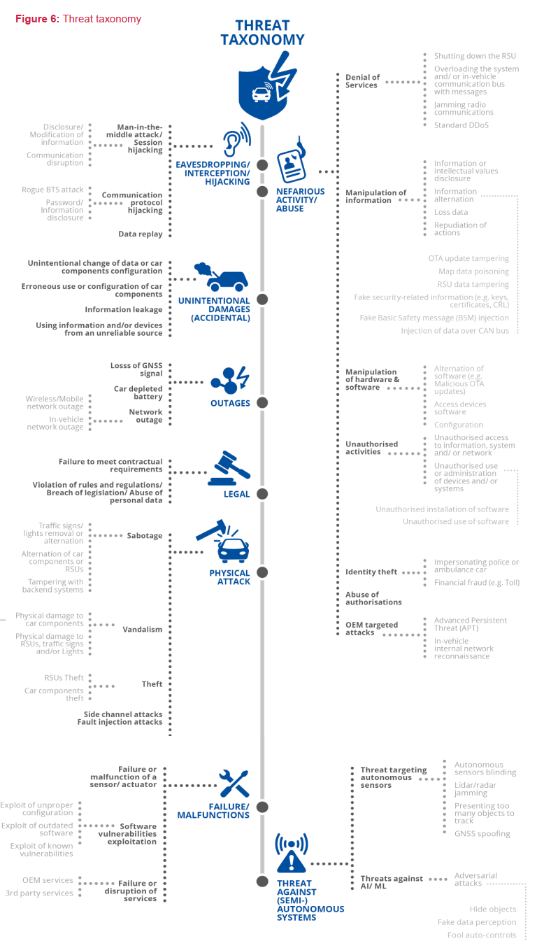
 |  |  |  |  |  |  | Corrupted applications, or those with poor software security, used as a method to attack vehicle systems
 |  |  |  |  |  |  | External interfaces such as USB or other ports used as a point of attack, for example through code injection
 |  |  |  |  |  |  | Media infected with viruses connected to the vehicle
 |  |  |  |  |  |  | Diagnostic access (e.g. dongles in OBD port) used to facilitate an attack, e.g. manipulate vehicle parameters (directly or indirectly)
 |  |  |  |  | Potential targets of, or motivations for, an attack |  | Extraction of copyright or proprietary software from vehicle systems (product piracy / stolen software)
 |  |  |  |  |  |  | Unauthorized access to the owner’s privacy information such as personal identity, payment account information, address book information, location information, vehicle’s electronic ID, etc.
 |  |  |  |  |  |  | Extraction of cryptographic keys
 |  |  |  |  |  |  | Illegal/unauthorised changes to vehicle’s electronic ID
 |  |  |  |  |  |  | Identity fraud. For example, if a user wants to display another identity when communicating with toll systems, manufacturer backend
 |  |  |  |  |  |  | Action to circumvent monitoring systems (e.g. hacking/ tampering/ blocking of messages such as ODR Tracker data, or number of runs)
 |  |  |  |  |  |  | Data manipulation to falsify vehicle’s driving data (e.g. mileage, driving speed, driving directions, etc.)
 |  |  |  |  |  |  | Unauthorised changes to system diagnostic data
 |  |  |  |  |  |  | Unauthorized deletion/manipulation of system event logs
 |  |  |  |  |  |  | Introduce malicious software or malicious software activity
 |  |  |  |  |  |  | Fabrication of software of the vehicle control system or information system
 |  |  |  |  |  |  | Denial of service, for example this may be triggered on the internal network by flooding a CAN bus, or by provoking faults on an ECU via a high rate of messaging
 |  |  |  |  |  |  | Unauthorized access to falsify configuration parameters of vehicle’s key functions, such as brake data, airbag deployed threshold, etc.
 |  |  |  |  |  |  | Unauthorized access to falsify charging parameters, such as charging voltage, charging power, battery temperature, etc.
 |  |  |  |  | Potential vulnerabilities that could be exploited if not sufficiently protected or hardened |  | Combination of short encryption keys and long period of validity enables attacker to break encryption
 |  |  |  |  |  |  | Insufficient use of cryptographic algorithms to protect sensitive systems
 |  |  |  |  |  |  | Using deprecated cryptographic algorithms
 |  |  |  |  |  |  | Hardware or software, engineered to enable an attack or fail to meet design criteria to stop an attack
 |  |  |  |  |  |  | The presence of software bugs can be a basis for potential exploitable vulnerabilities. This is particularly true if software has not been tested to verify that known bad code/bugs is not present and reduce the risk of unknown bad code/bugs being present

 |  |  |  |  |  |  | Using remainders from development (e.g. debug ports, JTAG ports, microprocessors, development certificates, developer passwords, ...) can permit an attacker to access ECUs or gain higher privileges
 |  |  |  |  |  |  | Superfluous internet ports left open, providing access to network systems
 |  |  |  |  |  |  | Circumvent network separation to gain control. Specific example is the use of unprotected gateways, or access points (such as truck-trailer gateways), to circumvent protections and gain access to other network segments to perform malicious acts, such as sending arbitrary CAN bus messages

 |  |  |  |  | Data loss / data breach from vehicle |  | Information breach. Personal data may be breached when the car changes user (e.g. is sold or is used as hire vehicle with new hirers)
 |  |  |  |  | Physical manipulation of systems to enable an attack |  | Manipulation of OEM hardware, e.g. unauthorised hardware added to a vehicle to enable "man-in-the-middle" attack
 |  |  |  |  | Back-end servers |  | Abuse of privileges by staff (insider attack)
 |  |  |  |  |  |  | Unauthorised internet access to the server (enabled for example by backdoors, unpatched system software vulnerabilities, SQL attacks or other means)
 |  |  |  |  |  |  | Unauthorised physical access to the server (conducted by for example USB sticks or other media connecting to the server)
 |  |  |  |  |  |  | Attack on back-end server stops it functioning, for example it prevents it from interacting with vehicles and providing services they rely on
 |  |  |  |  |  |  | Loss of information in the cloud. Sensitive data may be lost due to attacks or accidents when data is stored by third-party cloud service providers
 |  |  |  |  |  |  | Information breach by unintended sharing of data (e.g. admin errors, storing data in servers in garages)
 |  |  |  |  | Unintended human actions |  | Innocent victim (e.g. owner, operator or maintenance engineer) is tricked into taking an action to unintentionally load malware or enable an attack
 |  |  |  |  |  |  | Defined security procedures are not followed
 |  |  |  |  | Physical loss of data loss |  | Damage caused by a third party. Sensitive data may be lost or compromised due to physical damages in cases of traffic accident or theft
 |  |  |  |  |  |  | Loss from DRM (digital right management) conflicts. User data may be deleted due to DRM issues
 |  |  |  |  |  |  | The (integrity of) sensitive data may be lost due to IT components wear and tear, causing potential cascading issues (in case of key alteration, for example)

